1A
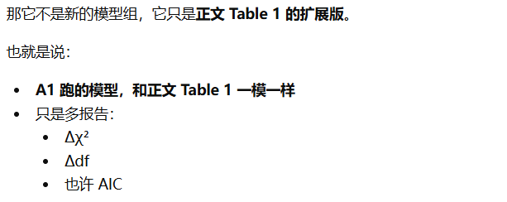
Table A1. Expanded Multilevel Confirmatory Factor Analyses for the Core Constructs
Model | Within-level factor structure | Between-level factor structure | χ² | df | CFI | TLI | RMSEA | SRMRwithin | SRMRbetween | AIC | Δχ² | Δdf
Hypothesized model | BE, ME, and THR as three separate factors | AL and EL as two separate factors | 528.4 | 187 | 0.961 | 0.953 | 0.046 | 0.039 | 0.048 | 19345.2 | — | —
Alternative model 1 | BE and ME combined; THR separate | AL and EL separate | 597.2 | 191 | 0.951 | 0.94 | 0.052 | 0.043 | 0.057 | 19414.6 | 68.8 | 4
Alternative model 2 | BE, ME, and THR separate | AL and EL combined | 643.9 | 191 | 0.939 | 0.929 | 0.058 | 0.051 | 0.052 | 19465.3 | 115.5 | 4
Alternative model 3 | BE and ME combined; THR separate | AL and EL combined | 786.4 | 195 | 0.918 | 0.903 | 0.064 | 0.054 | 0.069 | 19601.8 | 258 | 8
Alternative model 4 | BE, ME, and THR combined | AL and EL separate | 1063.8 | 196 | 0.881 | 0.857 | 0.08 | 0.073 | 0.078 | 19877.6 | 535.4 | 9

那它不是新的模型组，它只是**正文 Table 1** 的扩展版。 也就是说： - A1 跑的模型，和**正文 Table 1** 一模一样 - 只是多报告： - $\Delta\chi^2$ - $\Delta df$ - 也许 AIC

